grafico markov e MTTF
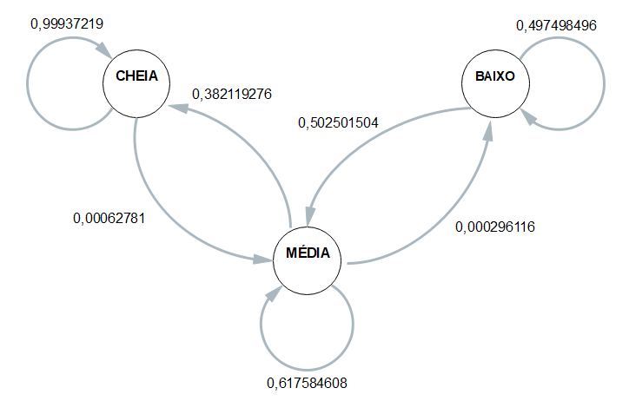
 | Esp1 | Esp2 | Esp3 | Esp4 | Média
CC | 0.99940898345 | 0.99926253687 | 0.99940582294 | 0.99941141848 | 0.99937219044
CM | 0.00059101654846 | 0.00073746312684 | 0.00059417706477 | 0.00058858151854 | 0.00062780956465
CB | 0 | 0 | 0 | 0 | 0

MC | 0.51025218006 | 0 | 0.50881316099 | 0.50941176471 | 0.38211927644
MM | 0.48951213764 | 0.9995215311 | 0.49095182139 | 0.49035294118 | 0.61758460783
MB | 0.00023568230026 | 0.00047846889952 | 0.00023501762632 | 0.00023529411765 | 0.00029611573594

BC | 0 | 0 | 0 | 0 | 0
BM | 0.48113207547 | 0.50495049505 | 0.51515151515 | 0.50877192982 | 0.50250150387
BB | 0.51886792453 | 0.49504950495 | 0.48484848485 | 0.49122807018 | 0.49749849613

 | Esp1 | Esp2 | Esp3 | Esp4
Hora Inicial | 14:34:36 | 14:38:39 | 14:43:43 | 14:47:56 |  | 14:41:14
Hora Limite 2,8 | 1900-01-01 07:03:36 | 1900-01-01 07:09:39 | 1900-01-01 07:13:13 | 1900-01-01 07:19:16 |  | 1900-01-01 07:11:26
Hora final | 1900-01-01 07:21:16 | 1900-01-01 07:27:19 | 1900-01-01 07:29:43 | 1900-01-01 07:38:16 | MTTF | 1900-01-01 07:29:08
total de horas até 2,8 | 16:29:00 | 16:31:00 | 16:29:30 | 16:31:20 | 16:30:13 | 16:30:13

